STAKEHOLDER REGISTER
 |  |  |  |  |  |  |  | Project Manager: PM C1 team 2 | Project Sponsor: Most2baly Leadership Team
 | Most2baly |  | STAKEHOLDER REGISTER |  |  |  |  | 1.Hesham Mohamed 2.Ali Elgazzar 3.Doha Ahmed 4.Ahmed Zaki | Date: April 28, 2026
 | Youth |  | Most2baly Youth Summer BootCamp |  |  |  |  |  | Duration: 4 Months
 |  |  |  |  |  |  |  |  | Budget: 5,000$

Manage Closely
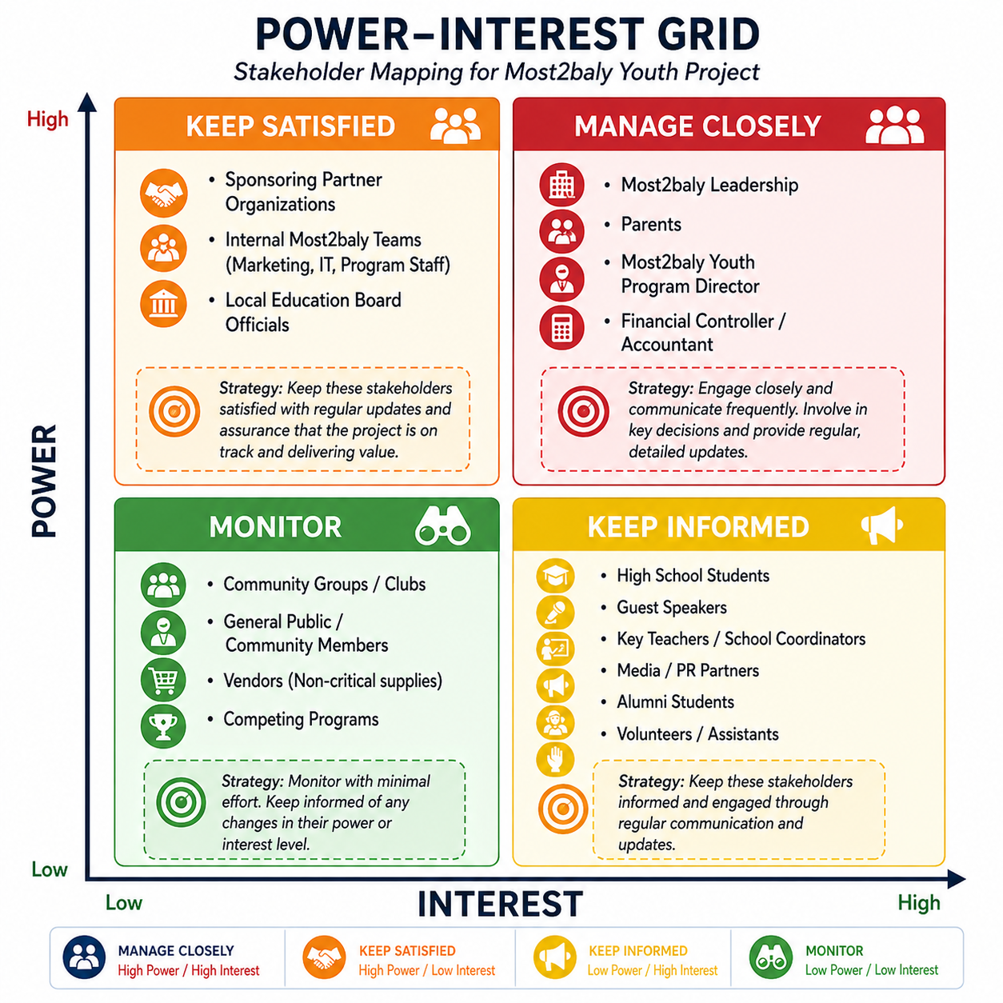
Manage Closely
No. | STAKEHOLDER | TYPE | POWER | INTEREST | GRID CATEGORY | RACI Role | COMMUNICATION STRATEGY | OWNER
1 | Most2baly Leadership | Internal | High | High |  | A | Weekly progress meetings and detailed reports | Projecr Manager
2 | Parents | External | High | High |  | A | Weekly updates via WhatsApp and monthly meetings | Projecr Manager
Manage Closely
3 | Most2baly Youth Program Director | Internal | High | High |  | A | Daily/weekly coordination and status updates | Projecr Manager
Manage Closely
4 | Financial Controller / Accountant | Internal | High | Low |  | C | Weekly budget tracking reports and approvals | Projecr Manager
Keep Satisfied
5 | Sponsoring Partner Organizations | External | High | Low |  | C | Monthly performance updates and ROI reports | Projecr Manager
Keep Satisfied
6 | Local Education Board Officials | External | High | Low |  | C | Periodic formal updates and compliance reports | Projecr Manager
Keep Satisfied
7 | Internal Teams (Marketing, IT, etc.) | Internal | Low | High |  | R | Weekly coordination meetings and task updates | Projecr Manager
Keep Informed
8 | High School Students | External | Low | High |  | I | Weekly announcements and engagement sessions | Projecr Manager
Keep Informed
9 | Content Designer | External | Low | High |  | I | Weekly Tuesday sync to review content progress and ensure delivery deadlines are met. | Projecr Manager
Keep Informed
10 | Guest Speakers | External | Low | High |  | R | Email confirmations and reminders before sessions | Projecr Manager
Keep Informed
11 | Key Teachers / School Coordinators | External | Low | High |  | R | Regular coordination messages and updates | Projecr Manager
Keep Informed
12 | Media / PR Partners | External | Low | High |  | C | Scheduled updates and event coverage coordination | Projecr Manager
Keep Informed
13 | Alumni Students | External | Low | High |  | C | Occasional engagement and promotional updates | Projecr Manager
Keep Informed
14 | Volunteers / Assistants | External | Low | High |  | R | Task-based communication and coordination messages | Projecr Manager
Monitor
15 | Community Groups / Clubs | External | Low | Low |  | I | Occasional updates if needed | Projecr Manager
Monitor
16 | General Public / Community Members | External | Low | Low |  | I | Minimal communication via public channels | Projecr Manager
Monitor
17 | Vendors (Non-critical supplies) | External | Low | Low |  | R | Contact only when required | Projecr Manager
Monitor
18 | Competing Programs | External | Low | Low |  | I | No direct communication – passive monitoring | Projecr Manager

 | Key Takeaways | Successful stakeholder management is about engaging the right people, the right way, at the right time. Parents have high power due to financial influence, while students are the primary end users with high interest. RACI assignment is based on decision authority, execution responsibility, and influence level of each stakeholder. R - Responsible - Implementation A - Accountable - Decision C - Consulted - Two-way I - Informed - One-way

